NB
Style | US size | 4 | 4+ | 5 | 5+ | 6 | 6+ | 7 | 7+ | 8 | 8+ | 9 | 9+ | 10 | 10+ | 11 | 12 | Total | Retail
BB650RCH | 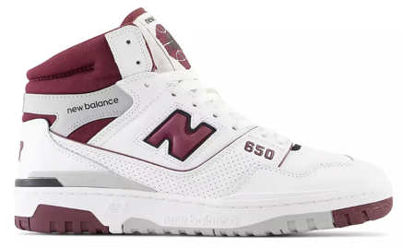 | 1 | 1 | 1 | 1 | 1 | 1 | 3 | 4 | 4 | 4 | 4 | 4 | 4 | 2 | 2 | 1 | 38 | € 160
BB650RCK | 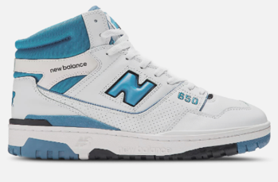 | 1 | 1 | 4 | 4 | 5 | 5 | 3 | 4 | 4 | 4 | 4 | 4 | 4 | 2 | 2 | 1 | 52 | € 160
BB650RWW | 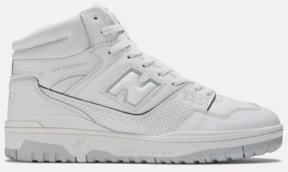 | 1 | 2 | 3 | 8 | 8 | 8 | 4 | 2 | 2 | 3 | 4 | 4 | 4 | 2 |  |  | 55 | € 160
BB650RPC | 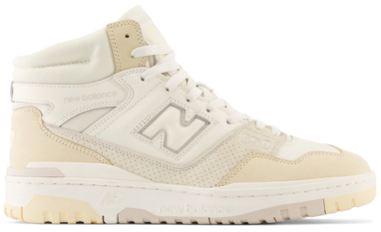 | 1 | 1 | 1 | 1 | 1 | 1 | 2 | 1 | 2 | 2 | 1 | 2 | 2 | 1 | 2 | 1 | 22 | € 180
BB650RCL | 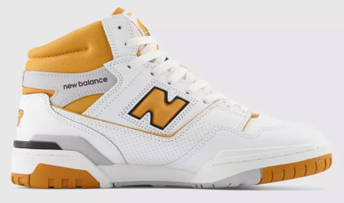 |  | 1 | 1 | 1 | 1 | 1 | 2 | 1 | 2 | 2 | 1 | 2 | 2 | 1 | 2 | 1 | 21 | € 170
BB650RWH |  | 5 | 9 | 11 | 18 | 18 | 18 | 11 | 7 | 6 | 6 | 6 | 8 | 8 | 5 | 3 | 1 | 140 | € 160
BB650RWI | 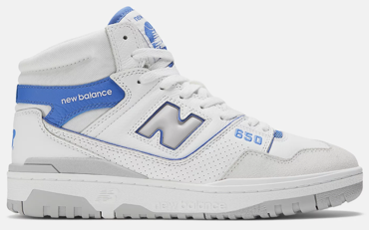 | 1 | 1 | 2 | 2 | 2 | 2 | 1 | 2 | 2 | 2 | 2 | 2 | 2 | 1 | 1 | 1 | 26 | € 160
BB650RVG |  | 1 | 2 | 4 | 8 | 8 | 9 | 6 | 1 | 1 | 1 | 1 | 1 | 1 |  |  |  | 44 | € 170
BB650RCE |  |  | 1 | 1 | 1 | 1 | 1 | 2 | 1 | 2 | 2 | 1 | 2 | 2 | 1 | 2 | 1 | 21 | € 170

 |  |  |  |  |  |  |  |  |  |  |  |  |  |  |  |  |  | 419

